Data Exhibit-4
4-step manufacturing process for all 3 products in Fabricadas
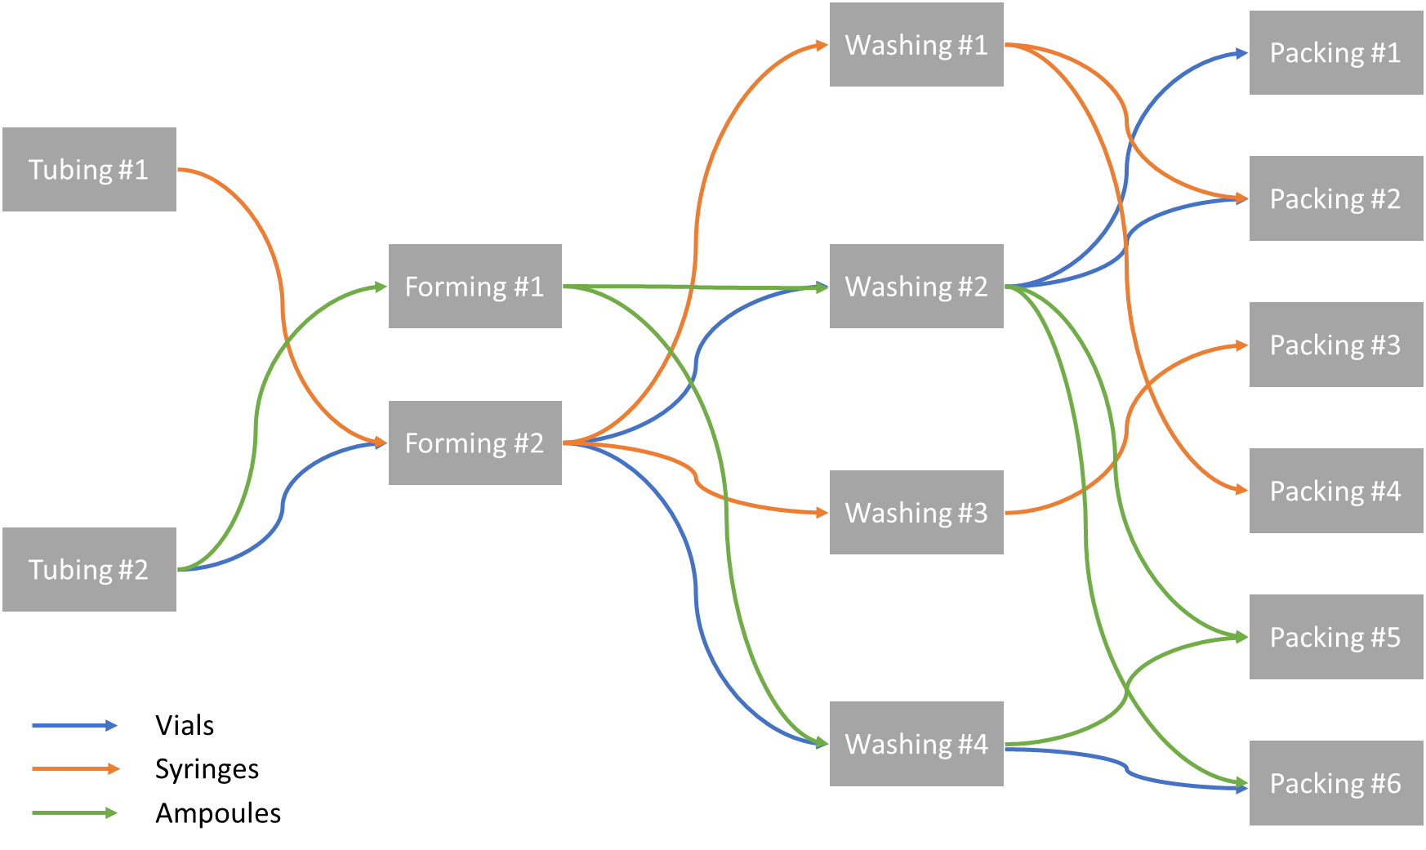

Fabricadas Utilization and Stoppages
Unit | Weekends and Holidays | Planned shutdowns | Unplanned shutdowns | Total Stoppage/year | Total Planned and Unplanned SD
Tubing #1 | 115 | 10 | 15 | 140 | 25
Tubing #2 | 115 | 10 | 20 | 145
Forming #1 | 115 | 10 | 15 | 140
Forming #2 | 115 | 10 | 25 | 150
Washing #1 | 115 | 10 | 15 | 140
Washing #2 | 115 | 10 | 20 | 145
Washing #3 | 115 | 10 | 20 | 145
Washing #4 | 115 | 10 | 15 | 140
Packing #1 | 115 | 10 | 20 | 145
Packing #2 | 115 | 10 | 20 | 145
Packing #3 | 115 | 10 | 25 | 150
Packing #4 | 115 | 10 | 15 | 140
Packing #5 | 115 | 10 | 20 | 145
Packing #6 | 115 | 10 | 20 | 145

